sum-3
3. You are considering an investment project. Phase 1 requires $100,000 outlay, and will produce either $120,000 or $80,000 with equal probabilities. Once phase 1 is complete, you have the option to invest another $100,000 in phase 2. At the completion of phase 2, the payout will either be 20% higher than the phase 1 payout, or 10% less, also with equal probabilities. You may choose to a) not invest; b) invest in phase 1 and then decide later about phase 2; or c) commit to both phases today.

 |  |  |  |  |  |  |  |  |  |  |  |  |  | 50%
 |  |  |  |  |  |  |  |  |  |  |  |  |  | Event 1
 |  |  |  |  |  |  |  |  |  |  |  |  |  |  |  | 64000
 | Phase 1 |  | Phase 2 |  |  |  |  |  |  |  |  | Continue |  | 44000 | 64000
 | 100000 |  | 100000
 |  |  | 144000 |  |  |  |  |  |  |  |  | 0 | 46000 | 50%
 |  | 0.5 | 44000 |  |  |  |  |  | 50% |  |  |  |  | Event 2
 | 120000 |  |  |  |  |  |  |  | Evenst 1 |  |  |  |  |  |  | 28000
0.5 | 20000 |  | 108000 |  |  |  |  |  |  |  | 1 |  |  | 8000 | 28000
 |  | 0.5 | 8000 |  |  |  |  |  | 20000 | 46000

 | 80000 |  | 96000 | `` |  |  |  |  |  |  |  | Not Continue
0.5 | -20000 | 0.5 | -4000 |  |  |  |  |  |  |  |  |  |  |  |  | 20000
 |  |  |  |  |  |  |  |  |  |  |  | 0 | 20000
 |  |  | 72000 |  |  |  | Invest
 |  | 0.5 | -28000 |  |  |  |  |  |  |  |  |  |  | 50%
 |  |  |  |  |  |  | 0 | 13000 |  |  |  |  |  | Event 1
 |  |  |  |  |  |  |  |  |  |  |  |  |  |  |  | -24000
What is the best policy? |  |  |  |  |  |  |  |  |  |  |  | Continue |  | -4000 | -24000
The ideal approach is to b) invest in phase 1 and then decide on phase 2.
If I get 120000 in the first stage, I should proceed to the second. |  |  |  |  |  |  |  |  |  |  |  | 0 | -36000 | 50%
Therefore, if I receive 80000 in the first phase, I should not proceed to the second. |  |  |  |  |  |  |  |  | 50% |  |  |  |  | Event 2
 |  |  |  |  |  |  |  |  | Event 2 |  |  |  |  |  |  | -48000
 |  |  |  |  |  | 1 |  |  |  |  | 2 |  |  | -28000 | -48000
 |  |  |  |  | 13000 |  |  |  | -20000 | -20000

 |  |  |  |  |  |  |  |  |  |  |  | Not Continue
 |  |  |  |  |  |  |  |  |  |  |  |  |  |  |  | -20000
 |  |  |  |  |  |  |  |  |  |  |  | 0 | -20000

 |  |  |  |  |  |  | Not invest
 |  |  |  |  |  |  |  |  |  |  |  |  |  |  |  | 0
 |  |  |  |  |  |  | 0 | 0

 |  |  |  |  |  |  | Decision tree fro Question 2
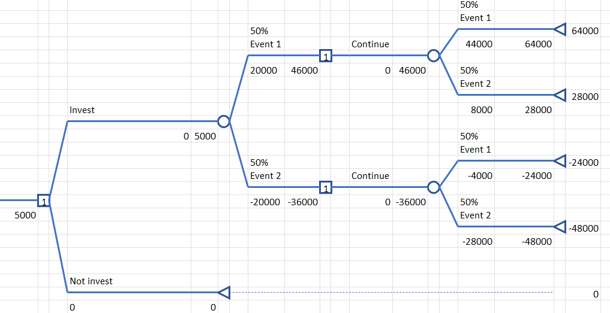

How much would you pay to know the phase 1 outcome if option b) were removed?
I will select option c) commit to both phases today (pay 200,000).

